Scenerio Doc
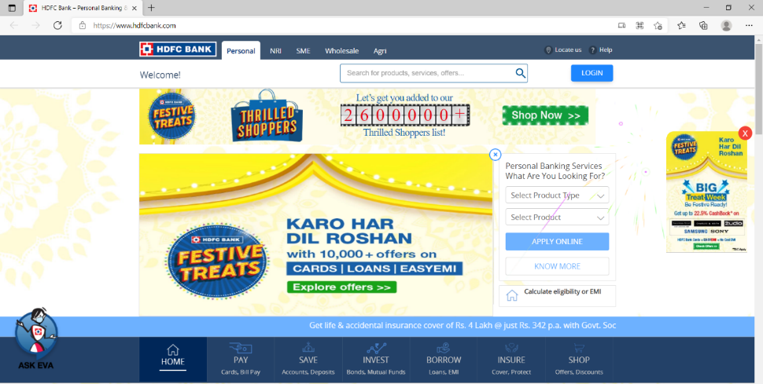
Website to Test:-

 |  |  | Scenerio Document

SC.No | SC.Name | SC.Objective | Preconditions | Test Conditions
SC01 | Apply Online button | Check Apply Online button by select product type and product | Apply Online button with Two dopdown of select product name and select product is available | 1.With product type as card and product as credit card.
 |  |  |  | 2.With product type cards and product as Debit card
 |  |  |  | 3.With product type cards and product as prepaid cards
 |  |  |  | 4.With product type as card and product as credit card services
 |  |  |  | 5.with product type as card and product as Forex cards.
 |  |  |  | 6.with product type as cards and product as Fastag.
 |  |  |  | 7.with product type as cards and product as Loan on credit card
 |  |  |  | 8.with product type as Accounts and product as Saving Accounts.
 |  |  |  | 9.With product as Accounts and product as Current Accounts.
 |  |  |  | 10.with product type as Accounts and product as Rural Accounts
 |  |  |  | 11.with product type as Accounts and product as Salary Account.
 |  |  |  | 12.With product type as Accounts and product as InstaAccount 13.with product type as Deposits and Product as Fixed Deposit.
 |  |  |  | 13.With product type as Deposit and product as Fixed Deposit.
 |  |  |  | 14. With product type as Deposits and product as Recurring Deposit
 |  |  |  | 15.With product type as Deposits and product type as FD Via SMS
 |  |  |  | 16. with product type as loans and product as Personal loan.
 |  |  |  | 17.with product type as loans and product as Loans on credit card.
 |  |  |  | 18.with product type a loans and product as SmartEMI
 |  |  |  | 19.With product type as loans and product as Business loan.
 |  |  |  | 20.With product type as loans and product as Pre-owned Car Loan
 |  |  |  | 21. With product type as loans and product as Two wheeler loans
 |  |  |  | 22.With product type as Loans and product as Salary Plus
 |  |  |  | 23.With product type as Loans and product as Government Sponsored Programs.
 |  |  |  | 24.with product type as EMI and product as Consumer Durables .
 |  |  |  | 25.with product type as EMI and product as Lifecare.
 |  |  |  | 26. With product type as EMI and product type as Lifestyle.
 |  |  |  | 27.With product type FASTag and product as FASTag Cards
 |  |  |  | 28.with product type as Invest and product as Public Provident Fund.
 |  |  |  | 29.with product type as Invest and product as National Pension System.
 |  |  |  | 30.with product type as Invest and product as Mutual Funds-ISA.
 |  |  |  | 31.with product type as Invest and product as Demat Account.
 |  |  |  | 32.With product type as Life Insaurance and product as Term Insaurance.
 |  |  |  | 33.With product type as Life Insaurance and product as Child Insurance Plans.
 |  |  |  | 34.With product type as Life Insaurance andd product as Investment Plan.
 |  |  |  | 35.with product type as Health Insurance and product as Mediclaim.
 |  |  |  | 36.with product type as Health Insurance and product as Super Top-up Insaurance.
 |  |  |  | 37. With product type as Vehicle Insurance and product as Private Car Insurance.
 |  |  |  | 38.With product type as Vehicle Insurance and product as Commercial Vehicle Insurance.
 |  |  |  | 39.With product type as Travel Insurance and product as HDFC ERGO Travel Insurance.
 |  |  |  | 40.With product type as Travel Insurance and product type as Student Travel Insurance.
 |  |  |  | 41.With product type as Credit Card Services and product as Limit Enhancement.
 |  |  |  | 42.With product type as Credit Card Services and product as Credit Card Upgrade.
 |  |  |  | 43.With product type as Home Insurance and product as HDFC ERGO Home Insurance.
 |  |  |  | 44.With Product type as Social Security Schemes and product as Pradhan Mantri Jeevan Jyoti Bima Yojana (PMJJBY)
 |  |  |  | 45.with selecting product type as Social Security Schemes and product as Pradhan Mantri Suraksha Bima Yojana (PMSBY)
 |  |  |  | 46.With selecting product type as Social Security Schemes and product as Atal Pension Yojana.
 |  |  |  | 47.With product type as MyCards PWA and product as HDFC Bank MyCards PWA.

SC02 | Know more button | Check Know more button | Know more button should available | 48.Click on Know more button

SC03 | Calculate EMI Button | Check Calculate EMI button | Calculate EMI Button should available | 49.Click on Calculate EMI button

